CU_ThCond
C ######################################################################
C #
C # Thermal conductivity of Copper in W/m K, as a function of T, B and
C # RRR for T > 0, B > 0 and RRR > 1.
C #
C # References
C # ----------
C # Luehning, Heller, Private Communication, 1989.
C #
C # variable I/O meaning units
C # --------------------------------------------------------------------
C # T x absolute temperature K
C # B x magnetic field T
C # RRR x residual resistivity ratio -
C # CONDCU x thermal conductivity W/m K
C #
C # Author : L.Bottura @ NET
C # Version: 1.0 1.8.1989
C #
C ######################################################################

T | RRR | TCU | RCO | COND1 | COND | Anal.K(T,RRR)
0 | 30 | 40 | 0.53551724138 | 0.00000 | 0.00000 | 0
20 | 30 | 40 | 0.53551724138 | 813.58539 | 813.58539 | 813.58539009
40 | 30 | 40 | 0.53551724138 | 922.88073 | 922.88073 | 922.88072588
60 | 30 | 40 | 0.53551724138 | 636.52005 | 793.90778 | 793.90778318
80 | 30 | 40 | 0.53551724138 | 413.60225 | 666.45047 | 666.45047309
100 | 30 | 40 | 0.53551724138 | 280.18853 | 590.93647 | 590.936467
120 | 30 | 40 | 0.53551724138 | 199.73949 | 545.60538 | 545.60537792
140 | 30 | 40 | 0.53551724138 | 148.75536 | 515.92136 | 515.92136247
160 | 30 | 40 | 0.53551724138 | 114.77247 | 494.85764 | 494.85764143
180 | 30 | 40 | 0.53551724138 | 91.11052 | 479.03157 | 479.03156792
200 | 30 | 40 | 0.53551724138 | 74.02191 | 466.69566 | 466.69565923
220 | 30 | 40 | 0.53551724138 | 61.29871 | 456.85511 | 456.85511131
240 | 30 | 40 | 0.53551724138 | 51.58026 | 448.88508 | 448.88508415
260 | 30 | 40 | 0.53551724138 | 43.99426 | 442.35955 | 442.35954645
280 | 30 | 40 | 0.53551724138 | 37.96187 | 436.97037 | 436.97036688
300 | 30 | 40 | 0.53551724138 | 33.08737 | 432.48600 | 432.48599881
320 | 30 | 40 | 0.53551724138 | 29.09307 | 428.72832 | 428.72831833
340 | 30 | 40 | 0.53551724138 | 25.77956 | 425.55833 | 425.55832779
360 | 30 | 40 | 0.53551724138 | 23.00075 | 422.86657 | 422.8665664
380 | 30 | 40 | 0.53551724138 | 20.64766 | 420.56627 | 420.56627264
400 | 30 | 40 | 0.53551724138 | 18.63768 | 418.58831 | 418.58831273
420 | 30 | 40 | 0.53551724138 | 16.90727 | 416.87733 | 416.8773308
440 | 30 | 40 | 0.53551724138 | 15.40695 | 415.38879 | 415.38878873
460 | 30 | 40 | 0.53551724138 | 14.09769 | 414.08667 | 414.08667395

55 | 100 |  | <<<<<<<<This line is for transitional points>>>>>>>>> |  |  | 1010.0183664

DATA TCU / 40.0 /
IF (RRR.GT.1.0 .AND. B.GE.0.0 .AND. T.GE.0.0) THEN
RC0= 15.53 / (RRR-1.0)
COND = 1./( RC0/24.45/T + 33.5E-08*T*T )
IF(T.GT.TCU) THEN
COND = COND + 400.*(1.-EXP(-(T-TCU)/TCU))
ENDIF
ELSE
COND=0.0
WRITE(6,*) '***'
WRITE(6,*) 'WARNING. DATA OUT OF RANGE IN CONDCU. T=',T
WRITE(6,*) ' B=',B
WRITE(6,*) ' RRR=',RRR
WRITE(6,*) '***'
ENDIF
CONDCU=COND

Kapton
NIST | https://trc.nist.gov/cryogenics/materials/Polyimide%20Kapton/PolyimideKapton_rev.htm
y = 10 a+b(log10T) + c(log10T) 2 + d(log10T) 3 + e(log10T) 4 + f(log10T) 5 + g(log10T) 6 + h(log10T) 7 + i(log10T) 8
 | Thermal Conductivity | Specific Heat | T | Thermal Conductivity | Specific Heat
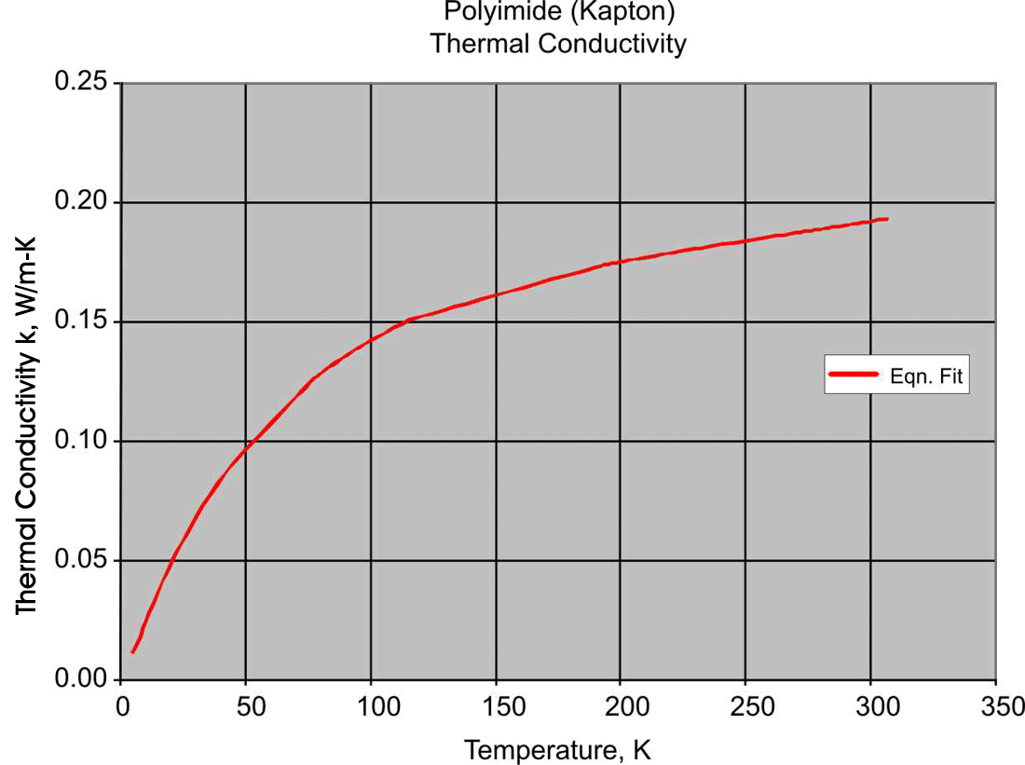
UNITS | W/(m-K) | J/(kg-K) | 4 | 0.011 | 0.792
a | 5.73101 | -1.3684 | 5 | 0.011 | 1.558
b | -39.5199 | 0.65892 | 6 | 0.013 | 2.708
c | 79.9313 | 2.8719 | 7 | 0.015 | 4.283
d | -83.8572 | 0.42651 | 8 | 0.018 | 6.306
e | 50.9157 | -3.0088 | 9 | 0.021 | 8.777
f | -17.9835 | 1.9558 | 10 | 0.023 | 11.682
g | 3.42413 | -0.51998 | 11 | 0.026 | 14.999
h | -0.27133 | 0.051574 | 12 | 0.029 | 18.697
i | 0 | 0 | 13 | 0.031 | 22.743
data range | 4-300 | 4-300 | 14 | 0.034 | 27.100
equation range | 4-300 | 4-300 | 15 | 0.036 | 31.734
 |  |  | 16 | 0.039 | 36.610
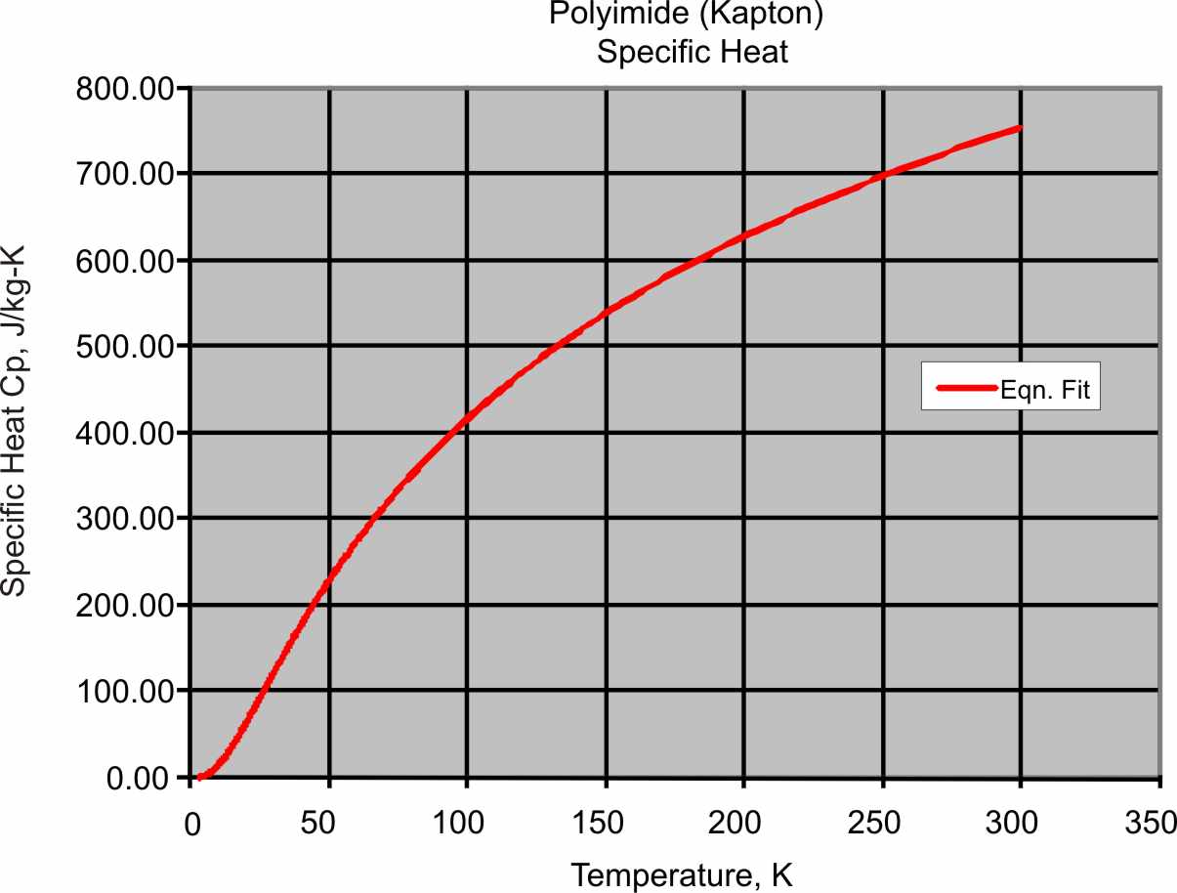
 |  |  | 17 | 0.041 | 41.696
 |  |  | 18 | 0.043 | 46.961
 |  |  | 19 | 0.046 | 52.378
 |  |  | 20 | 0.048 | 57.920
 |  |  | 21 | 0.050 | 63.566
 |  |  | 22 | 0.052 | 69.293
 |  |  | 23 | 0.054 | 75.084
 |  |  | 24 | 0.056 | 80.921
 |  |  | 25 | 0.058 | 86.792
 |  |  | 26 | 0.060 | 92.681
 |  |  | 27 | 0.062 | 98.579
 |  |  | 28 | 0.063 | 104.475
 |  |  | 29 | 0.065 | 110.361
 |  |  | 30 | 0.067 | 116.229
 |  |  | 31 | 0.069 | 122.073
 |  |  | 32 | 0.070 | 127.886
 |  |  | 33 | 0.072 | 133.665
 |  |  | 34 | 0.074 | 139.404
 |  |  | 35 | 0.075 | 145.102
 |  |  | 36 | 0.077 | 150.753
 |  |  | 37 | 0.079 | 156.357
 |  |  | 38 | 0.080 | 161.911
 |  |  | 39 | 0.082 | 167.413
 |  |  | 40 | 0.083 | 172.862
 |  |  | 41 | 0.085 | 178.257
 |  |  | 42 | 0.086 | 183.598
 |  |  | 43 | 0.088 | 188.883
 |  |  | 44 | 0.089 | 194.113
 |  |  | 45 | 0.090 | 199.287
 |  |  | 46 | 0.092 | 204.405
 |  |  | 47 | 0.093 | 209.468
 |  |  | 48 | 0.094 | 214.475
 |  |  | 49 | 0.096 | 219.426
 |  |  | 50 | 0.097 | 224.323
 |  |  | 51 | 0.098 | 229.165
 |  |  | 52 | 0.100 | 233.954
 |  |  | 53 | 0.101 | 238.689
 |  |  | 54 | 0.102 | 243.372
 |  |  | 55 | 0.103 | 248.002
 |  |  | 56 | 0.104 | 252.581
 |  |  | 57 | 0.106 | 257.110
 |  |  | 58 | 0.107 | 261.588
 |  |  | 59 | 0.108 | 266.017
 |  |  | 60 | 0.109 | 270.398
 |  |  | 61 | 0.110 | 274.731
 |  |  | 62 | 0.111 | 279.017
 |  |  | 63 | 0.112 | 283.256
 |  |  | 64 | 0.113 | 287.450
 |  |  | 65 | 0.114 | 291.599
 |  |  | 66 | 0.115 | 295.705
 |  |  | 67 | 0.116 | 299.766
 |  |  | 68 | 0.117 | 303.785
 |  |  | 69 | 0.118 | 307.763
 |  |  | 70 | 0.119 | 311.699
 |  |  | 71 | 0.120 | 315.594
 |  |  | 72 | 0.121 | 319.450
 |  |  | 73 | 0.122 | 323.267
 |  |  | 74 | 0.123 | 327.045
 |  |  | 75 | 0.124 | 330.785
 |  |  | 76 | 0.125 | 334.488
 |  |  | 77 | 0.126 | 338.155
 |  |  | 78 | 0.126 | 341.786
 |  |  | 79 | 0.127 | 345.381
 |  |  | 80 | 0.128 | 348.942
 |  |  | 81 | 0.129 | 352.469
 |  |  | 82 | 0.130 | 355.962
 |  |  | 83 | 0.130 | 359.422
 |  |  | 84 | 0.131 | 362.850
 |  |  | 85 | 0.132 | 366.245
 |  |  | 86 | 0.133 | 369.610
 |  |  | 87 | 0.133 | 372.943
 |  |  | 88 | 0.134 | 376.247
 |  |  | 89 | 0.135 | 379.520
 |  |  | 90 | 0.136 | 382.764
 |  |  | 91 | 0.136 | 385.979
 |  |  | 92 | 0.137 | 389.166
 |  |  | 93 | 0.138 | 392.324
 |  |  | 94 | 0.138 | 395.456
 |  |  | 95 | 0.139 | 398.560
 |  |  | 96 | 0.139 | 401.637
 |  |  | 97 | 0.140 | 404.688
 |  |  | 98 | 0.141 | 407.713
 |  |  | 99 | 0.141 | 410.713
 |  |  | 100 | 0.142 | 413.687
 |  |  | 101 | 0.143 | 416.637
 |  |  | 102 | 0.143 | 419.562
 |  |  | 103 | 0.144 | 422.464
 |  |  | 104 | 0.144 | 425.342
 |  |  | 105 | 0.145 | 428.196
 |  |  | 106 | 0.145 | 431.028
 |  |  | 107 | 0.146 | 433.837
 |  |  | 108 | 0.146 | 436.624
 |  |  | 109 | 0.147 | 439.389
 |  |  | 110 | 0.147 | 442.132
 |  |  | 111 | 0.148 | 444.854
 |  |  | 112 | 0.148 | 447.554
 |  |  | 113 | 0.149 | 450.234
 |  |  | 114 | 0.149 | 452.894
 |  |  | 115 | 0.150 | 455.533
 |  |  | 116 | 0.150 | 458.153
 |  |  | 117 | 0.151 | 460.753
 |  |  | 118 | 0.151 | 463.333
 |  |  | 119 | 0.152 | 465.894
 |  |  | 120 | 0.152 | 468.437
 |  |  | 121 | 0.153 | 470.961
 |  |  | 122 | 0.153 | 473.466
 |  |  | 123 | 0.153 | 475.954
 |  |  | 124 | 0.154 | 478.423
 |  |  | 125 | 0.154 | 480.875
 |  |  | 126 | 0.155 | 483.309
 |  |  | 127 | 0.155 | 485.726
 |  |  | 128 | 0.156 | 488.126
 |  |  | 129 | 0.156 | 490.510
 |  |  | 130 | 0.156 | 492.877
 |  |  | 131 | 0.157 | 495.227
 |  |  | 132 | 0.157 | 497.561
 |  |  | 133 | 0.157 | 499.879
 |  |  | 134 | 0.158 | 502.182
 |  |  | 135 | 0.158 | 504.469
 |  |  | 136 | 0.159 | 506.740
 |  |  | 137 | 0.159 | 508.997
 |  |  | 138 | 0.159 | 511.238
 |  |  | 139 | 0.160 | 513.464
 |  |  | 140 | 0.160 | 515.676
 |  |  | 141 | 0.160 | 517.874
 |  |  | 142 | 0.161 | 520.056
 |  |  | 143 | 0.161 | 522.225
 |  |  | 144 | 0.161 | 524.380
 |  |  | 145 | 0.162 | 526.521
 |  |  | 146 | 0.162 | 528.648
 |  |  | 147 | 0.162 | 530.762
 |  |  | 148 | 0.162 | 532.862
 |  |  | 149 | 0.163 | 534.949
 |  |  | 150 | 0.163 | 537.023
 |  |  | 151 | 0.163 | 539.084
 |  |  | 152 | 0.164 | 541.133
 |  |  | 153 | 0.164 | 543.168
 |  |  | 154 | 0.164 | 545.192
 |  |  | 155 | 0.165 | 547.202
 |  |  | 156 | 0.165 | 549.201
 |  |  | 157 | 0.165 | 551.187
 |  |  | 158 | 0.165 | 553.162
 |  |  | 159 | 0.166 | 555.125
 |  |  | 160 | 0.166 | 557.075
 |  |  | 161 | 0.166 | 559.015
 |  |  | 162 | 0.166 | 560.943
 |  |  | 163 | 0.167 | 562.859
 |  |  | 164 | 0.167 | 564.765
 |  |  | 165 | 0.167 | 566.659
 |  |  | 166 | 0.167 | 568.542
 |  |  | 167 | 0.168 | 570.414
 |  |  | 168 | 0.168 | 572.276
 |  |  | 169 | 0.168 | 574.127
 |  |  | 170 | 0.168 | 575.967
 |  |  | 171 | 0.169 | 577.797
 |  |  | 172 | 0.169 | 579.617
 |  |  | 173 | 0.169 | 581.427
 |  |  | 174 | 0.169 | 583.226
 |  |  | 175 | 0.170 | 585.015
 |  |  | 176 | 0.170 | 586.795
 |  |  | 177 | 0.170 | 588.564
 |  |  | 178 | 0.170 | 590.324
 |  |  | 179 | 0.171 | 592.075
 |  |  | 180 | 0.171 | 593.816
 |  |  | 181 | 0.171 | 595.547
 |  |  | 182 | 0.171 | 597.269
 |  |  | 183 | 0.171 | 598.982
 |  |  | 184 | 0.172 | 600.686
 |  |  | 185 | 0.172 | 602.380
 |  |  | 186 | 0.172 | 604.066
 |  |  | 187 | 0.172 | 605.743
 |  |  | 188 | 0.172 | 607.411
 |  |  | 189 | 0.173 | 609.070
 |  |  | 190 | 0.173 | 610.721
 |  |  | 191 | 0.173 | 612.363
 |  |  | 192 | 0.173 | 613.997
 |  |  | 193 | 0.174 | 615.622
 |  |  | 194 | 0.174 | 617.240
 |  |  | 195 | 0.174 | 618.849
 |  |  | 196 | 0.174 | 620.449
 |  |  | 197 | 0.174 | 622.042
 |  |  | 198 | 0.175 | 623.627
 |  |  | 199 | 0.175 | 625.204
 |  |  | 200 | 0.175 | 626.773
 |  |  | 201 | 0.175 | 628.335
 |  |  | 202 | 0.175 | 629.888
 |  |  | 203 | 0.175 | 631.435
 |  |  | 204 | 0.176 | 632.973
 |  |  | 205 | 0.176 | 634.505
 |  |  | 206 | 0.176 | 636.028
 |  |  | 207 | 0.176 | 637.545
 |  |  | 208 | 0.176 | 639.054
 |  |  | 209 | 0.177 | 640.557
 |  |  | 210 | 0.177 | 642.052
 |  |  | 211 | 0.177 | 643.540
 |  |  | 212 | 0.177 | 645.021
 |  |  | 213 | 0.177 | 646.495
 |  |  | 214 | 0.178 | 647.963
 |  |  | 215 | 0.178 | 649.423
 |  |  | 216 | 0.178 | 650.877
 |  |  | 217 | 0.178 | 652.324
 |  |  | 218 | 0.178 | 653.765
 |  |  | 219 | 0.178 | 655.200
 |  |  | 220 | 0.179 | 656.627
 |  |  | 221 | 0.179 | 658.049
 |  |  | 222 | 0.179 | 659.464
 |  |  | 223 | 0.179 | 660.873
 |  |  | 224 | 0.179 | 662.275
 |  |  | 225 | 0.179 | 663.672
 |  |  | 226 | 0.180 | 665.062
 |  |  | 227 | 0.180 | 666.447
 |  |  | 228 | 0.180 | 667.825
 |  |  | 229 | 0.180 | 669.198
 |  |  | 230 | 0.180 | 670.564
 |  |  | 231 | 0.181 | 671.925
 |  |  | 232 | 0.181 | 673.280
 |  |  | 233 | 0.181 | 674.630
 |  |  | 234 | 0.181 | 675.974
 |  |  | 235 | 0.181 | 677.312
 |  |  | 236 | 0.181 | 678.644
 |  |  | 237 | 0.182 | 679.972
 |  |  | 238 | 0.182 | 681.293
 |  |  | 239 | 0.182 | 682.610
 |  |  | 240 | 0.182 | 683.921
 |  |  | 241 | 0.182 | 685.227
 |  |  | 242 | 0.182 | 686.527
 |  |  | 243 | 0.183 | 687.823
 |  |  | 244 | 0.183 | 689.113
 |  |  | 245 | 0.183 | 690.398
 |  |  | 246 | 0.183 | 691.678
 |  |  | 247 | 0.183 | 692.953
 |  |  | 248 | 0.183 | 694.224
 |  |  | 249 | 0.184 | 695.489
 |  |  | 250 | 0.184 | 696.750
 |  |  | 251 | 0.184 | 698.005
 |  |  | 252 | 0.184 | 699.256
 |  |  | 253 | 0.184 | 700.503
 |  |  | 254 | 0.184 | 701.744
 |  |  | 255 | 0.185 | 702.982
 |  |  | 256 | 0.185 | 704.214
 |  |  | 257 | 0.185 | 705.442
 |  |  | 258 | 0.185 | 706.666
 |  |  | 259 | 0.185 | 707.885
 |  |  | 260 | 0.185 | 709.099
 |  |  | 261 | 0.185 | 710.310
 |  |  | 262 | 0.186 | 711.516
 |  |  | 263 | 0.186 | 712.718
 |  |  | 264 | 0.186 | 713.915
 |  |  | 265 | 0.186 | 715.109
 |  |  | 266 | 0.186 | 716.298
 |  |  | 267 | 0.186 | 717.483
 |  |  | 268 | 0.187 | 718.664
 |  |  | 269 | 0.187 | 719.841
 |  |  | 270 | 0.187 | 721.015
 |  |  | 271 | 0.187 | 722.184
 |  |  | 272 | 0.187 | 723.349
 |  |  | 273 | 0.187 | 724.511
 |  |  | 274 | 0.188 | 725.668
 |  |  | 275 | 0.188 | 726.822
 |  |  | 276 | 0.188 | 727.972
 |  |  | 277 | 0.188 | 729.119
 |  |  | 278 | 0.188 | 730.262
 |  |  | 279 | 0.188 | 731.401
 |  |  | 280 | 0.189 | 732.536
 |  |  | 281 | 0.189 | 733.669
 |  |  | 282 | 0.189 | 734.797
 |  |  | 283 | 0.189 | 735.922
 |  |  | 284 | 0.189 | 737.044
 |  |  | 285 | 0.189 | 738.162
 |  |  | 286 | 0.190 | 739.277
 |  |  | 287 | 0.190 | 740.388
 |  |  | 288 | 0.190 | 741.496
 |  |  | 289 | 0.190 | 742.601
 |  |  | 290 | 0.190 | 743.703
 |  |  | 291 | 0.190 | 744.802
 |  |  | 292 | 0.191 | 745.897
 |  |  | 293 | 0.191 | 746.989
 |  |  | 294 | 0.191 | 748.078
 |  |  | 295 | 0.191 | 749.164
 |  |  | 296 | 0.191 | 750.247
 |  |  | 297 | 0.191 | 751.327
 |  |  | 298 | 0.192 | 752.405
 |  |  | 299 | 0.192 | 753.479
 |  |  | 300 | 0.192 | 754.550

 |  |  |  |  |  | time
 |  |  |  |  |  | power

